Sheet1
Test Case ID | Test Scenario | Preconditions | Test Steps | Expected Results | Actual Result | Status (Pass/Fail) | Evidence
TC_01 | Verify login with valid credentials | Browser open, Internet working, Valid user exists | 1. Open https://www.saucedemo.com/ 2. Enter username standard_user in username field 3. Enter password secret_sauce in password field 4. Click Login Button 5. Verify user is directed to inventory.html page and products are visible | User is redirectred to inventory page and product list is displayed successfully | As expected - Redirected to inventory page and products list displayed | Pass
TC_02 | Add and item to Cart and complete checkout | User Logged in | 1. From Product Page , click Add to Cart option 2. Observe Cart Badge increment to 1 3. Click the cart icon(top-right) 4. On cart page verify product name and price are correct 5. click Checkout Option, Fill the required credentials, click Continue 6.On Checkout Overview Click Finish and verify completion page | Item aded to cart, checkout completes, order confirmation shown | As expected - Item added to cart,checkout completes, order confirmation shows | Pass | 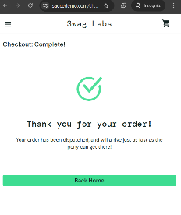
TC_03 | Verify error message or empty checkout fields | User is logged in and has atleast one item in the cart | 1. Go to Cart 2. Click Checkout 3. Leave the checkout fields empty 4. Click continue | Error message "Error: First name is required" or similar is displayed | As expected -Error message "Error: First name is required" or similar is displayed | PASS

